U-1
U. Visualization in Power BI:
1. Create a bar chart showing the total purchases per product category.

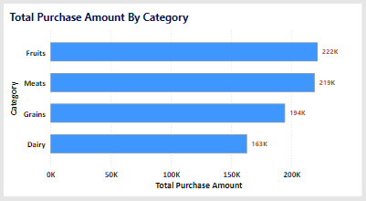

This bar chart visualizes the total amount of purchases for each product category, providing insights into which categories generate the highest revenue.

Key Insights:
The category "Fruit" is the top performing category that contributes high revenue
The "Dairy " category is spotted to contribute low performance and hence it has to be analysed further to increase its sales.

Purpose:
The purpose of this analysis helps in inventory optimization and targeted marketing campaigns for high-revenue categories.

U-3
U. Visualization in Power BI:
3. Design a pie chart representing the distribution of customers by city.
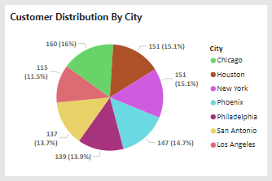

This pie chart represents the proportion of customers distributed across different cities, providing insights into geographic concentration.

Key Insights:
The city "Chicago" has the most customers that contributes 16% of total customers.
With very less difference comes the next two cities Houston & Newyork.
Comparatively Los Angeles seems to be an underperforming city which requires localized marketing efforts.

Purpose:
Helps in geographic segmentation and region-specific strategy development for potential market expansion.

U-5
U. Visualization in Power BI:
5. Use slicers to filter data by product category, customer age group, and city.

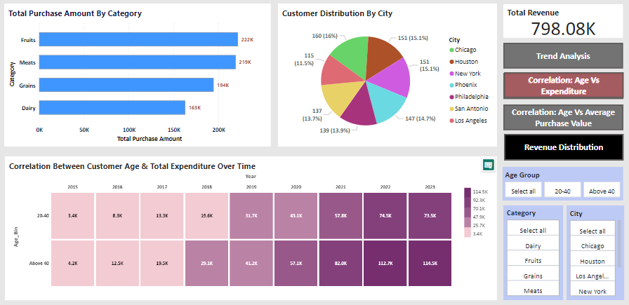

Slicers allow users to dynamically filter data based on product categories, customer age groups, or city, providing flexibility for interactive analysis.

Key Insights:
Explore data for specific categories, age groups, or regions.
Compare trends or patterns across different segments.
Drill down into focused subsets of data for detailed insights.

Purpose:
Enables personalized and ad hoc data exploration for business decision-making.

V-1
V. Advanced Visuals:
1. Implement a scatter plot to visualize the relationship between customer age and average purchase value.



A scatter plot of customer age vs. average purchase value reveals how spending behavior varies across different age groups, providing insights into potential demographic trends.

Key Insights:
A random scatter suggests no relationship between age and their average purchase value.
There’s no clear pattern, which indicates that purchasing behavior isn’t strongly age-dependent.

Purpose:
This visualization helps uncover patterns or trends in purchasing behavior across different age groups.
When there is no correlation between two factors, the focus should shift in identifying alternative patterns or insights and tailoring strategies based on more meaningful variables.

W-1
W. Power BI Dashboard:
1. Combine multiple visualizations into a dashboard summarizing key performance indicators like total revenue, top customers, and popular products.
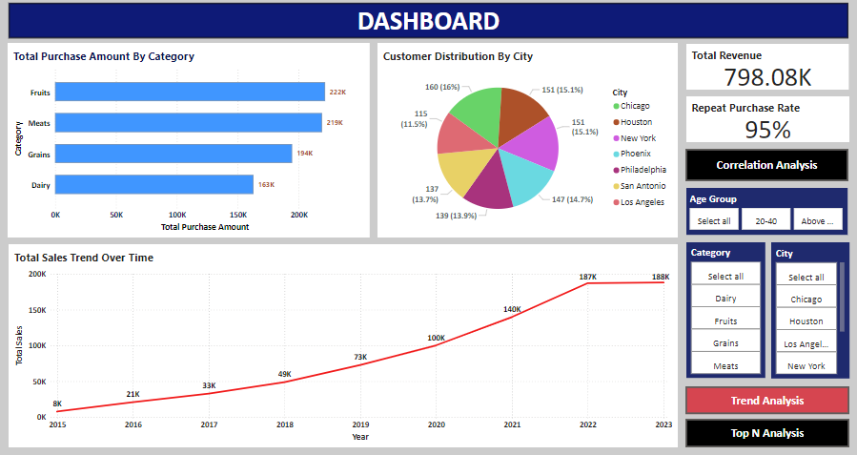
 | The Dashboard comprises of various visual elements charts like bar, pie and line chart.
 | These visualizations help users interpret the data quickly.

 | Bar Chart:
 | This bar chart visualizes the total amount of purchases for each product category, providing insights into which categories generate the highest revenue.

 | Line Chart:
 | The line chart illustrates the trend of total sales over time, revealing patterns such as growth, seasonality, or dips in sales.

 | Pie Chart:
 | This pie chart represents the proportion of customers distributed across different cities, providing insights into geographic concentration.

 | Cards:
 | The cards visualize the total revenue generated and the repeat purchase rate

 | Slicers:
 | It also has slicers with which the users can have an interative interpretation with the data.

 | Buttons:
 | It has button named Correlation Analysis that will navigate to the other page.

 | Bookmarks:
 | Have implemented the concept of Bookmarking to visualize different elements in the same page.

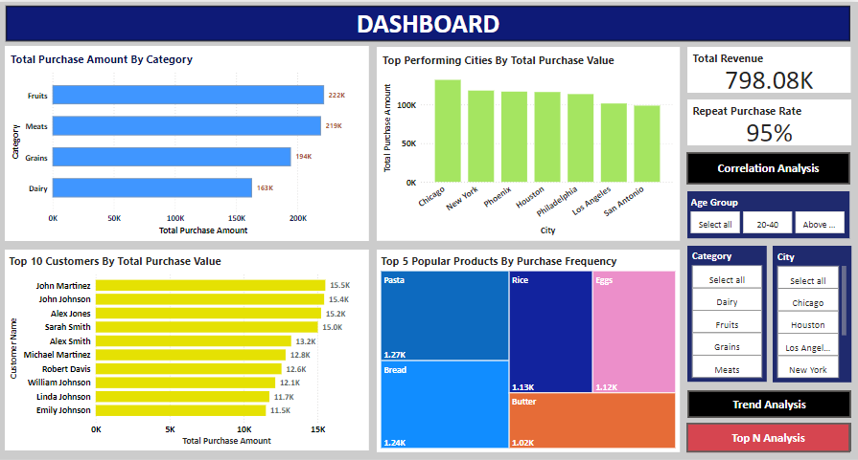
 | Bookmarks:
 | The bookmarking of Top N analysis shows the visuals of top performing cities, top customers and popular products.

 | Top Performing Cities:
 | The column chart clearly indicates that chicago has the highest purchasing value.

 | Top 10 customers:
 | The bar chart represents the top 10 customers based on their purchasing value.

 | Popular products:
 | To identify the top 5 popular products tree map has been implemented.
 | This clearly visualizes the top performing products based on their purchasing frequency.

 | This data can be further interepted using slicers.

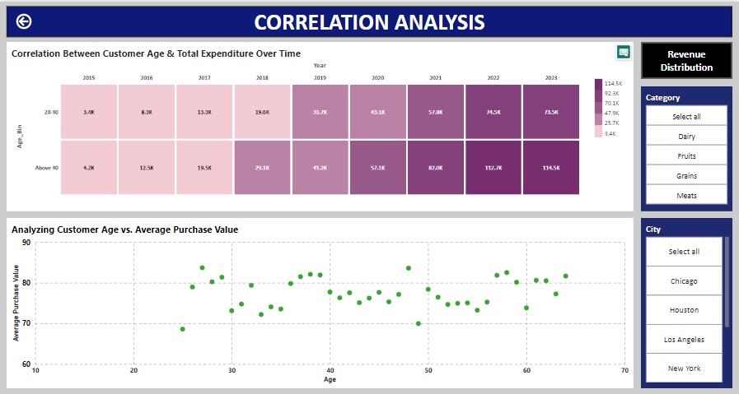
 | Heat Map:
 | The heatmap shows the relationship between customer age groups and their total expenditure, offering insights into which age groups spend the most.

 | The age group of "Above 40" contributes to most of the revenue.
 | The age group "20-40" has comparatively low expenditure which requires targeted campaigns.

 | Scatter Plot:
 | A scatter plot of customer age vs. average purchase value reveals how spending behavior varies across different age groups, providing insights into potential demographic trends.

 | A random scatter suggests no relationship between age and their average purchase value.
 | There’s no clear pattern, which indicates that purchasing behavior isn’t strongly age-dependent.

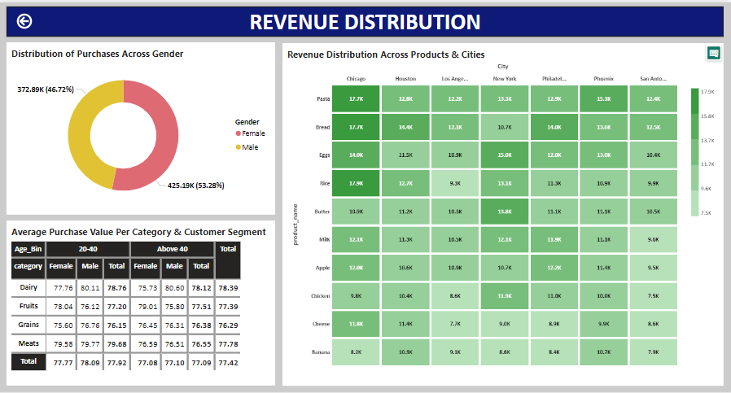
 | Donut Chart:
 | The donut chart visualizes the distribution of purchase acoss the gender
 | Both the gender has almost even distribution varing in vey low percentage of difference.
 | The female contributes over 53.28% and male contributes aound 46.72%.

 | Matrix Chart:
 | This chart visualizes the average purchase value per product categort and customer segment based on age group and gender.
 | The Dairy category across age group 20-40 and male segment has high average purchase value.

 | Heat Map:
 | The Heat map visualizes the revenue distribution across products & cities
 | City Chicago has highest revenue across products pasta, bread and rice.
 | City San Antonio contributes low revenue across majority of products.
 | The product Banana contributes least revenue across all the cities

